FAI

Customer |  | PO # |  | Date Prepared | 2026-03-24 | First Article Report
Part Name | Hex Turnbuckle | Samples | 5 | Prepared by: | Meng
Part Number |  | Inch or mm | Inch | Revision
FAI | Type (Diameter Length Position etc.) | Nominal | + Tolerance | - Tolerance | High Limit | Low Limit | Method | Mfg. Sample 1 | Mfg. Sample 2
1 | Length | 9.000 |  |  | 9.000 | 9.000 | Caliper | 8.9315 | 8.9200
2 | Length | 2.000 |  |  | 2.000 | 2.000 | Caliper | 2.0070 | 2.0700
3 | Length | 2.000 |  |  | 2.000 | 2.000 | Caliper | 2.0830 | 2.0055
4 | Diameter | 1.250 |  |  | 1.250 | 1.250 | Caliper | 1.2555 | 1.2540

Print Page 1
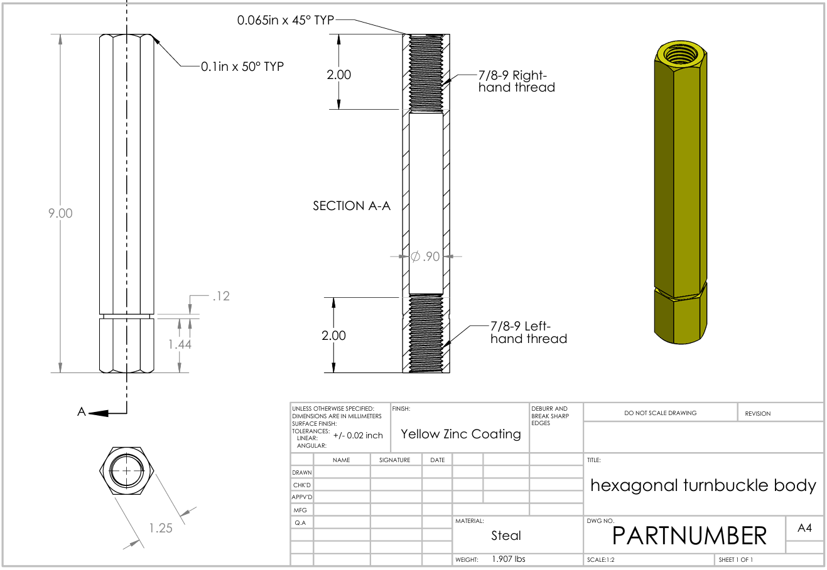

2

1

3

4

Print Page 2
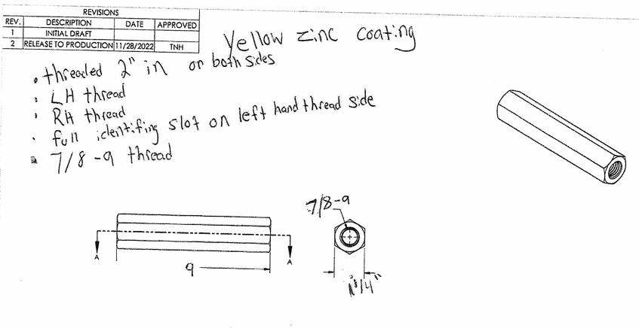

2
3

1
4

